GP Summary
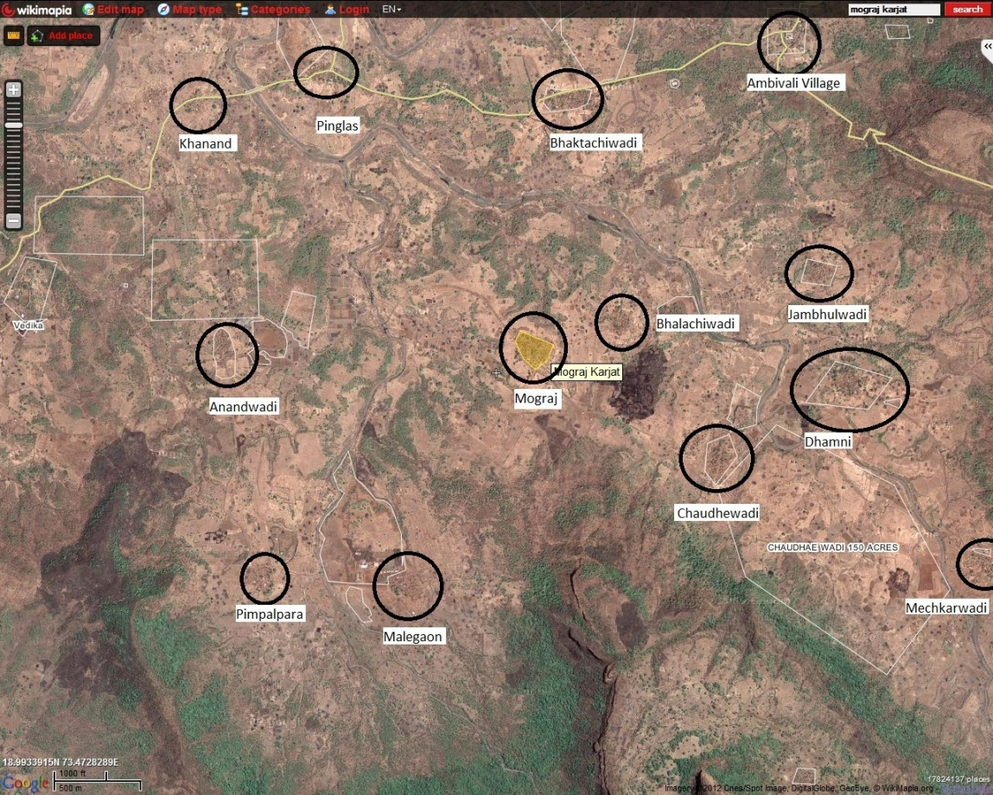
Gram Panchayat Name | Mograj
Taluka | Karjat | http://raigad.nic.in/Images/karjat%20taluka.jpg
District | Raigad
State | Mahatashtra

Count of revenue villages | 7
Names of villages | 1. AMBIWADI T. KOTHAL KHALATI
 | 2. DHAMNI
 | 3. KHANAND
 | 4. MALEGAON T. KOTHAL KHALATI
 | 5. MOGRAJ
 | 6. PIMPALPADA
 | 7. PINGLAS

Total number of habitations | 15

Name and contact of Gramsevak | Mr. Rahate (8446206599)
Name and contact of sipahi | Mr. Manohar Agivale (9270505531)

Census 2001 Village level population data
NAME | No_HH | TOT_P | TOT_M | TOT_F | P_06 | M_06 | F_06 | P_SC | M_SC | F_SC | P_ST | M_ST | F_ST | P_LIT | M_LIT | F_LIT
Khanand | 59 | 362 | 185 | 177 | 59 | 25 | 34 | 0 | 0 | 0 | 351 | 179 | 172 | 117 | 87 | 30
Pinglas | 138 | 849 | 502 | 347 | 146 | 81 | 65 | 10 | 6 | 4 | 605 | 375 | 230 | 449 | 329 | 120
Ambiwadi T. Kothal Khalati | 85 | 381 | 196 | 185 | 60 | 24 | 36 | 17 | 8 | 9 | 136 | 69 | 67 | 205 | 129 | 76
Dhamni | 222 | 1219 | 633 | 586 | 190 | 114 | 76 | 18 | 10 | 8 | 1004 | 523 | 481 | 475 | 305 | 170
Mograj | 100 | 493 | 249 | 244 | 109 | 60 | 49 | 0 | 0 | 0 | 479 | 241 | 238 | 137 | 96 | 41
Pimpalpada | 23 | 136 | 77 | 59 | 23 | 14 | 9 | 0 | 0 | 0 | 51 | 31 | 20 | 80 | 49 | 31
Malegaon T. Kothal Khalati | 71 | 325 | 167 | 158 | 71 | 38 | 33 | 0 | 0 | 0 | 295 | 151 | 144 | 70 | 47 | 23
Total | 698 | 3765 | 2009 | 1756 | 658 | 356 | 302 | 45 | 24 | 21 | 2921 | 1569 | 1352 | 1533 | 1042 | 491

Census 2001 Village level land use data
NAME | AREA (Hectares) | LAND_FORES | TOT_IRR | UN_IRR | CULT_WASTE | AREA_NA_CU | RIVER_IRR | WELL_WO_EL
Khanand | 161.00 | 5.34 | 0.00 | 25.00 | 105.99 | 24.43 | 0.00 | 0.00
Pinglas | 286.00 | 0.00 | 31.90 | 41.00 | 160.84 | 52.74 | 31.90 | 0.00
Ambiwadi T. Kothal Khalati | 303.00 | 64.00 | 2.21 | 20.99 | 189.46 | 26.40 | 2.20 | 0.01
Dhamni | 1125.00 | 450.03 | 0.00 | 76.46 | 525.27 | 73.62 | 0.00 | 0.00
Mograj | 379.00 | 13.79 | 0.00 | 41.95 | 290.41 | 32.55 | 0.00 | 0.00
Pimpalpada | 277.00 | 105.80 | 0.00 | 38.23 | 117.72 | 15.45 | 0.00 | 0.00
Malegaon T. Kothal Khalati | 375.00 | 201.03 | 0.00 | 20.99 | 127.14 | 25.50 | 0.00 | 0.00
 | 2906.00 | 839.99 | 34.11 | 264.62 | 1516.83 | 250.69 | 34.10 | 0.01

DDWS Data
GP Population (As of Apr/2011) | SC: | 50
 | ST: | 3278
 | GEN: | 894
 | Total | 4222
 | Cattle | 2220

Habitation data
PanchayatName | VillageName | HabitationName | Totalcurrentpop | SCcurrentpop | STcurrentPop | GENcurrentPop | Status
MOGRAJ | AMBIWADI T. KOTHAL KHALATI | AMBIWADI T. KOTHAL KHALATI | 427 | 19 | 153 | 255 | FC
MOGRAJ | AMBIWADI T. KOTHAL KHALATI | AMBIWALI | 45 | 0 | 35 | 10 | FC
MOGRAJ | DHAMNI | CHOUDHARWADI | 285 | 0 | 239 | 46 | FC
MOGRAJ | DHAMNI | DHAMNI | 168 | 20 | 112 | 36 | FC
MOGRAJ | DHAMNI | MECHKARWADI | 538 | 0 | 537 | 1 | FC
MOGRAJ | DHAMNI | PACHKHADAKWADI | 376 | 0 | 238 | 138 | FC
MOGRAJ | KHANAND | BHALAYACHIWADI | 112 | 0 | 112 | 0 | FC
MOGRAJ | KHANAND | KHANAND | 294 | 0 | 282 | 12 | FC
MOGRAJ | MALEGAON T. KOTHAL KHALATI | JAMBHULWADI | 140 | 0 | 112 | 28 | FC
MOGRAJ | MALEGAON T. KOTHAL KHALATI | MALEGAON | 224 | 0 | 219 | 5 | FC
MOGRAJ | MOGRAJ | ANANDWADI | 64 | 0 | 64 | 0 | FC
MOGRAJ | MOGRAJ | BHAKTACHIWADI | 63 | 0 | 63 | 0 | FC
MOGRAJ | MOGRAJ | MOGRAJ | 426 | 0 | 411 | 15 | FC
MOGRAJ | PIMPALPADA | PIMPALPADA | 108 | 0 | 22 | 86 | FC
MOGRAJ | PINGLAS | PINGLAS | 952 | 11 | 679 | 262 | FC

VillageName | HabitationName | SchemeNameDP | SanctionYear | SchemeType | EstimatedCost | DateOfCommencement | sourceTypeCategory | TypeOf Source | locationWaterSource | LocationDP | Satus as per CTARA survey as of March 2012
AMBIWADI T. KOTHAL KHALATI | AMBIWADI T. KOTHAL KHALATI | PWSS AMBIVALI | 2008-2009 | Piped Water Supply Scheme | 25.00000 | 31/03/2009 | Surface Water | River |  | (Delivery Point) | Functional
 | AMBIWALI | PWSS AMBIVALI | 2008-2009 | Piped Water Supply Scheme | 25.00000 | 31/03/2009 | Ground Water | Openwell | near village | near village(Delivery Point) | Functional
DHAMNI | CHOUDHARWADI | Chowdhariwadi handpump | 2000-2001 | Hand Pump | 0.35000 | 14/01/2000 | Ground Water | Deep Tubewell | near field | near field(Delivery Point) | Functional
 | DHAMNI | DHAMANI DUGWELL | 2005-2006 | DUG WELL | 0.35000 | 01/09/2005 | Ground Water | Openwell | in village | in village(Delivery Point) | No data (PRA?)
 | MECHKARWADI | MECHKARWADI PWSS | 2002-2003 | Piped Water Supply Scheme | 13.32000 | 30/05/2003 | Ground Water | Openwell | NEAR VILLAGE | NEAR VILLAGE(Delivery Point) | Failed for one wadi
 | MECHKARWADI | MECHKARWADI PWSS | 2002-2003 | Piped Water Supply Scheme | 13.32000 | 30/05/2003 | Ground Water | Openwell | near village | near village(Delivery Point) | Failed for one wadi
 | PACHKHADAKWADI | DHAMANI DUGWELL | 2005-2006 | DUG WELL | 0.35000 | 01/09/2005 | Ground Water | Openwell | near village | near village(Delivery Point) | No data (PRA?)
KHANAND | BHALAYACHIWADI | BHALYACHIIWADI DUGWELL | 2005-2006 | DUG WELL | 2.21000 | 20/04/2005 | Ground Water | Openwell | in wadi | in wadi(Delivery Point) | Functional
 | KHANAND | khanand pwss | 2008-2009 | Piped Water Supply Scheme | 12.61000 | 12/06/2008 | Surface Water | Pond |  | (Delivery Point) | No data
 | KHANAND | KHANAND VILLAGE TANK | 2008-2009 | DUG WELL | 11.57000 | 07/12/2008 | Ground Water | Openwell | Near village | Near village(Delivery Point) | Seasonal
MALEGAON T. KOTHAL KHALATI | JAMBHULWADI | JAMBHULWADI HANDPUMP | 2005-2006 | Hand Pump | 0.35000 | 20/04/2005 | Ground Water | Deep Tubewell | in village | in village(Delivery Point) | Functional
 | MALEGAON | malegaon pwss | 2007-2008 | Piped Water Supply Scheme | 4.06000 | 30/03/2008 | Ground Water | Openwell |  | (Delivery Point) | Failed
MOGRAJ | ANANDWADI | MOGRAJ ANANDWADI PWSS | 2003-2004 | Combined Water Supply | 8.27000 | 25/05/2003 | Ground Water | Openwell | NEAR FIELD | NEAR FIELD(Delivery Point) | Failed
 | BHAKTACHIWADI | BHAKTACHIWADI PWSS | 2002-2003 | Piped Water Supply Scheme | 8.26000 | 30/05/2003 | Ground Water | Deep Tubewell | NEAR VILLAGE | NEAR VILLAGE(Delivery Point) | Failed
 | MOGRAJ | Mograj | 2008-2009 | Piped Water Supply Scheme | 4.08000 | 30/03/2009 | Ground Water | Openwell | near village | near village(Delivery Point) | Failed
 | MOGRAJ | MOGRAJ WELL | 2008-2009 | DUG WELL | 4.08000 | 07/12/2008 | Ground Water | Openwell | Near village | Near village(Delivery Point) | Seasonal
PIMPALPADA | PIMPALPADA | pimpalpada pwss scheme | 2008-2009 | Piped Water Supply Scheme | 4.44793 | 31/03/2008 | Surface Water | Treated Surface Water |  | (Delivery Point) | Failed
 | PIMPALPADA | PIMPALPADA WELL | 2007-2008 | DUG WELL | 4.44000 | 31/03/2008 | Ground Water | Openwell |  | (Delivery Point) | No data
PINGLAS | PINGLAS | Pinglas WSS | 1998-1999 | Piped Water Supply Scheme | 43.00000 | 26/04/2000 | Surface Water | River |  | (Delivery Point) | Failed

